Cover Page
 |  |  Add company logo
 |  |  |  |  | Version 22.3 30/11/22

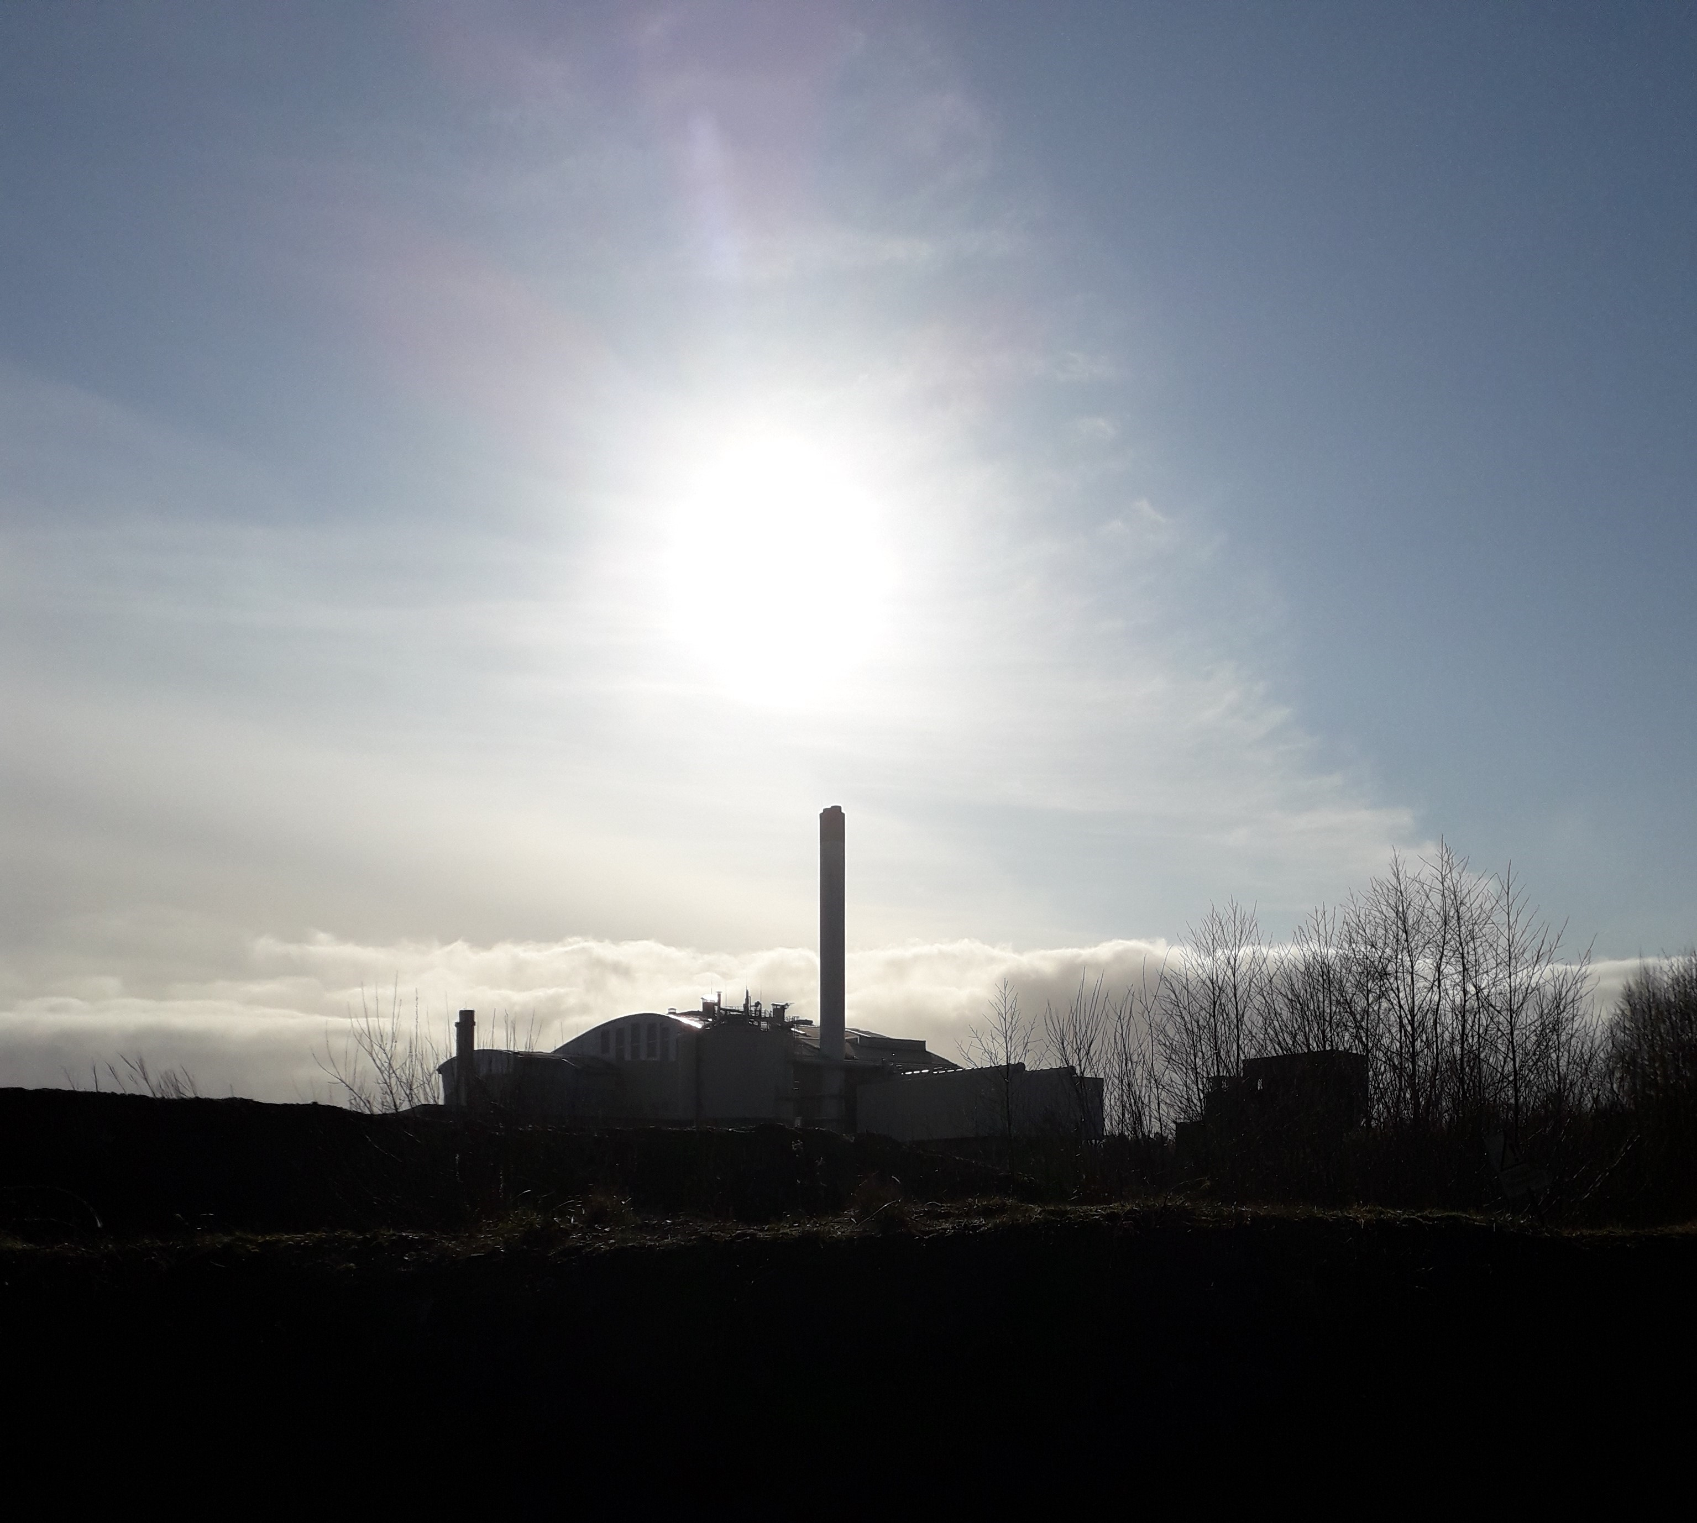

 |  |  |  |  | Notes:
 |  |  |  |  | This template may require adjustments by individual operators to meet specific reporting requirements as defined in the site Permit(s)

Annual Performance Report 2022

Permit EPR/NP3034CG

Thalia Waste Management

ThaliaWM - AWRP

Year: | 2022

Address: | Allerton Waste Recovery Park, Knaresborough, HG5 0SD

Tel: | 01423 447832

Email: | AWRP.Enquiries@thalia.co.uk

Prepared by: | Jamie Warden |  | Position: | Principle HSEQ Adviser

Approved by: | Colin Fletcher |  | Position: | Account Director

Version: | 1.0

Issue Date: | 2023-02-28

HCl
Annual Performance Report 2022 |  |  |  | Thalia Waste Management

Monitoring of Hydrogen Chloride emissions |  |  | Whole Installation |  |  | See Notes in Cell Q3 | Monitoring of Hydrogen Chloride emissions |  |  |  | Per Combustion Line |  | Notes:
 |  |  |  |  |  |  |  |  |  |  |  |  | User to add logic to complete Whole installation, Table A5:G18. From the data in Per Combustion Line, Table J6:O79, subject to No. of lines installed
mg/Nm3 | 1/2 Hourly Reference Periods |  |  | Daily Reference Periods
2022 | 1/2 hourly HCl ELV | Monthly 1/2 hourly mean | Highest 1/2 hourly maximum | Daily HCl ELV | Monthly daily mean | Highest daily maximum | 2022 | mg/Nm3 | Monthly 1/2 hourly mean | Monthly 1/2 hourly maximum | Monthly daily mean | Monthly daily maximum
Jan | 60 | 5.5 | 21 | 10 | 4.99 | 8 | A2 | Jan | 6 | 21 | 4.94 | 8
Feb | 60 | 4 | 16 | 10 | 4.05 | 6 |  | Feb | 4 | 16 | 3.89 | 6
Mar | 60 | 11.5 | 15 | 10 | 5.04 | 9 |  | Mar | 5 | 15 | 4.84 | 8 | Whole Installation table A5:G18:
Apr | 60 | 7.5 | 16 | 10 | 4.78 | 8 |  | Apr | 8 | 15 | 4.13 | 8 | Mean: for 1/2 hourly and daily periods calculate mean of values across all operational combustion lines for the month
May | 60 | 5.5 | 21 | 10 | 3.36 | 9 |  | May | 5 | 21 | 2.42 | 9
Jun | 60 | 6 | 17 | 10 | 6.27 | 8 |  | Jun | 6 | 17 | 6.17 | 8
Jul | 60 | 6 | 22 | 10 | 5.74 | 9 |  | Jul | 7 | 22 | 7.06 | 9 | Maximum: for 1/2 hourly and daily periods use the highest value across all operational combustion lines for the month
Aug | 60 | 8 | 22 | 10 | 7.84 | 9 |  | Aug | 8 | 22 | 7.94 | 9
Sep | 60 | 7.5 | 22 | 10 | 7.58 | 8 |  | Sep | 8 | 16 | 7.93 | 8
Oct | 60 | 4 | 13 | 10 | 1.89 | 7 |  | Oct | 4 | 11 | 1.77 | 5
Nov | 60 | 4 | 16 | 10 | 3.64 | 7 |  | Nov | 4 | 16 | 3.97 | 7
Dec | 60 | 3.5 | 11 | 10 | 3.47 | 6 |  | Dec | 4 | 11 | 4.13 | 6
 |  |  |  |  |  |  |  | Annual | 5.75 | 22 | 4.93 | 9

 |  |  |  |  |  |  | 2022 | mg/Nm3 | Monthly 1/2 hourly mean | Monthly 1/2 hourly maximum | Monthly daily mean | Monthly daily maximum
 |  |  |  |  |  |  | A3 | Jan | 5 | 21 | 5.03 | 8
 |  |  |  |  |  |  |  | Feb | 4 | 12 | 4.21 | 6
 |  |  |  |  |  |  |  | Mar | 18 | 5 | 5.23 | 9
 |  |  |  |  |  |  |  | Apr | 7 | 16 | 5.43 | 8
 |  |  |  |  |  |  |  | May | 6 | 21 | 4.29 | 8
 |  |  |  |  |  |  |  | Jun | 6 | 15 | 6.37 | 8
 |  |  |  |  |  |  |  | Jul | 5 | 16 | 4.42 | 7
 |  |  |  |  |  |  |  | Aug | 8 | 17 | 7.74 | 8
 |  |  |  |  |  |  |  | Sep | 7 | 22 | 7.23 | 8
 |  |  |  |  |  |  |  | Oct | 4 | 13 | 2.00 | 7
 |  |  |  |  |  |  |  | Nov | 4 | 16 | 3.30 | 5
 |  |  |  |  |  |  |  | Dec | 3 | 7 | 2.81 | 4
 |  |  |  |  |  |  |  | Annual | 6.42 | 22 | 4.84 | 9

Comments :

SO2
Annual Performance Report 2022 |  |  |  | Thalia Waste Management

Monitoring of Sulphur dioxide emissions |  |  | Whole Installation |  |  | See Notes in Cell Q3 | Monitoring of Sulphur dioxide emissions |  |  |  | Per Combustion Line |  | Notes:
 |  |  |  |  |  |  |  |  |  |  |  |  | User to add logic to complete Whole installation, Table A5:G18. From the data in Per Combustion Line, Table J6:O79, subject to No. of lines installed
mg/Nm3 | 1/2 Hourly Reference Periods |  |  | Daily Reference Periods
2022 | 1/2 hourly SO2 ELV | Monthly 1/2 hourly mean | Highest 1/2 hourly maximum | Daily SO2 ELV | Monthly daily mean | Highest daily maximum | 2022 | mg/Nm3 | Monthly 1/2 hourly mean | Monthly 1/2 hourly maximum | Monthly daily mean | Monthly daily maximum
Jan | 200 | 42.5 | 94 | 50 | 38.57 | 45 | A2 | Jan | 42 | 88 | 36.52 | 45
Feb | 200 | 45 | 130 | 50 | 44.84 | 46 |  | Feb | 45 | 78 | 44.68 | 45
Mar | 200 | 42 | 119 | 50 | 41.33 | 45 |  | Mar | 43 | 89 | 42.65 | 45 | Whole Installation table A5:G18:
Apr | 200 | 37.5 | 87 | 50 | 24.77 | 45 |  | Apr | 35 | 87 | 18.53 | 44 | Mean: for 1/2 hourly and daily periods calculate mean of values across all operational combustion lines for the month
May | 200 | 42 | 100 | 50 | 24.58 | 46 |  | May | 41 | 85 | 18.71 | 46
Jun | 200 | 42 | 92 | 50 | 41.32 | 45 |  | Jun | 42 | 92 | 40.87 | 45
Jul | 200 | 40 | 85 | 50 | 39.31 | 45 |  | Jul | 36 | 85 | 36.13 | 45 | Maximum: for 1/2 hourly and daily periods use the highest value across all operational combustion lines for the month
Aug | 200 | 32 | 96 | 50 | 31.88 | 45 |  | Aug | 26 | 92 | 25.84 | 45
Sep | 200 | 31.5 | 89 | 50 | 31.70 | 45 |  | Sep | 23 | 89 | 23.50 | 34
Oct | 200 | 40 | 89 | 50 | 18.05 | 45 |  | Oct | 39 | 89 | 17.55 | 45
Nov | 200 | 39.5 | 152 | 50 | 37.92 | 45 |  | Nov | 36 | 152 | 34.27 | 45
Dec | 200 | 39 | 167 | 50 | 38.76 | 45 |  | Dec | 38 | 167 | 38.39 | 45
 |  |  |  |  |  |  |  | Annual | 37.17 | 167 | 31.47 | 46

 |  |  |  |  |  |  | 2022 | mg/Nm3 | Monthly 1/2 hourly mean | Monthly 1/2 hourly maximum | Monthly daily mean | Monthly daily maximum
 |  |  |  |  |  |  | A3 | Jan | 43 | 94 | 40.61 | 45
 |  |  |  |  |  |  |  | Feb | 45 | 130 | 45.00 | 46
 |  |  |  |  |  |  |  | Mar | 41 | 119 | 40.00 | 45
 |  |  |  |  |  |  |  | Apr | 40 | 85 | 31.00 | 45
 |  |  |  |  |  |  |  | May | 43 | 100 | 30.45 | 45
 |  |  |  |  |  |  |  | Jun | 42 | 90 | 41.77 | 45
 |  |  |  |  |  |  |  | Jul | 44 | 73 | 42.48 | 45
 |  |  |  |  |  |  |  | Aug | 38 | 96 | 37.93 | 45
 |  |  |  |  |  |  |  | Sep | 40 | 89 | 39.90 | 45
 |  |  |  |  |  |  |  | Oct | 41 | 79 | 18.55 | 45
 |  |  |  |  |  |  |  | Nov | 43 | 80 | 41.57 | 45
 |  |  |  |  |  |  |  | Dec | 40 | 65 | 39.13 | 45
 |  |  |  |  |  |  |  | Annual | 41.67 | 130 | 37.37 | 46

Comments :

NOx
Annual Performance Report 2022 |  |  |  | Thalia Waste Management

Monitoring of Oxides of Nitrogen emissions |  |  | Whole Installation |  |  | See Notes in Cell Q3 | Monitoring of Oxides of Nitrogen emissions |  |  |  | Per Combustion Line |  | Notes:
 |  |  |  |  |  |  |  |  |  |  |  |  | User to add logic to complete Whole installation, Table A5:G18. From the data in Per Combustion Line, Table J6:O79, subject to No. of lines installed
mg/Nm3 | 1/2 Hourly Reference Periods |  |  | Daily Reference Periods
2022 | 1/2 hourly NOx ELV | Monthly 1/2 hourly mean | Highest 1/2 hourly maximum | Daily NOx ELV | Monthly daily mean | Highest daily maximum | 2022 | mg/Nm3 | Monthly 1/2 hourly mean | Monthly 1/2 hourly maximum | Monthly daily mean | Monthly daily maximum
Jan | 400 | 168 | 219 | 200 | 151.78 | 177 | A2 | Jan | 169 | 219 | 146.87 | 177
Feb | 400 | 168 | 233 | 200 | 164.66 | 174 |  | Feb | 169 | 205 | 168.89 | 174
Mar | 400 | 167 | 234 | 200 | 164.36 | 179 |  | Mar | 170 | 234 | 169.81 | 179 | Whole Installation table A5:G18:
Apr | 400 | 167 | 195 | 200 | 108.15 | 178 |  | Apr | 171 | 195 | 91.10 | 178 | Mean: for 1/2 hourly and daily periods calculate mean of values across all operational combustion lines for the month
May | 400 | 166 | 247 | 200 | 96.04 | 179 |  | May | 170 | 247 | 76.94 | 179
Jun | 400 | 168.5 | 220 | 200 | 168.19 | 182 |  | Jun | 174 | 220 | 173.70 | 182
Jul | 400 | 175.5 | 228 | 200 | 172.47 | 189 |  | Jul | 179 | 215 | 178.90 | 189 | Maximum: for 1/2 hourly and daily periods use the highest value across all operational combustion lines for the month
Aug | 400 | 172 | 237 | 200 | 171.70 | 181 |  | Aug | 175 | 237 | 174.52 | 181
Sep | 400 | 171 | 236 | 200 | 171.10 | 176 |  | Sep | 173 | 219 | 172.83 | 176
Oct | 400 | 175.5 | 241 | 200 | 79.13 | 188 |  | Oct | 178 | 241 | 80.26 | 186
Nov | 400 | 174 | 264 | 200 | 174.14 | 184 |  | Nov | 175 | 264 | 181.17 | 184
Dec | 400 | 173 | 270 | 200 | 170.13 | 179 |  | Dec | 174 | 270 | 173.81 | 178
 |  |  |  |  |  |  |  | Annual | 173.08 | 270 | 149.07 | 189

 |  |  |  |  |  |  | 2022 | mg/Nm3 | Monthly 1/2 hourly mean | Monthly 1/2 hourly maximum | Monthly daily mean | Monthly daily maximum
 |  |  |  |  |  |  | A3 | Jan | 167 | 189 | 156.68 | 172
 |  |  |  |  |  |  |  | Feb | 167 | 233 | 160.43 | 169
 |  |  |  |  |  |  |  | Mar | 164 | 210 | 158.90 | 169
 |  |  |  |  |  |  |  | Apr | 163 | 185 | 125.20 | 167
 |  |  |  |  |  |  |  | May | 162 | 188 | 115.13 | 166
 |  |  |  |  |  |  |  | Jun | 163 | 203 | 162.67 | 172
 |  |  |  |  |  |  |  | Jul | 172 | 228 | 166.03 | 177
 |  |  |  |  |  |  |  | Aug | 169 | 208 | 168.87 | 172
 |  |  |  |  |  |  |  | Sep | 169 | 236 | 169.37 | 173
 |  |  |  |  |  |  |  | Oct | 173 | 230 | 78.00 | 188
 |  |  |  |  |  |  |  | Nov | 173 | 241 | 167.10 | 178
 |  |  |  |  |  |  |  | Dec | 172 | 245 | 166.45 | 179
 |  |  |  |  |  |  |  | Annual | 167.83 | 245 | 149.57 | 188

Comments :

TOC
Annual Performance Report 2022 |  |  |  | Thalia Waste Management

Monitoring of Total organic carbon emissions |  |  | Whole Installation |  |  | See Notes in Cell Q3 | Monitoring of Total organic carbon emissions |  |  |  | Per Combustion Line |  | Notes:
 |  |  |  |  |  |  |  |  |  |  |  |  | User to add logic to complete Whole installation, Table A5:G18. From the data in Per Combustion Line, Table J6:O79, subject to No. of lines installed
mg/Nm3 | 1/2 Hourly Reference Periods |  |  | Daily Reference Periods
2022 | 1/2 hourly TOC ELV | Monthly 1/2 hourly mean | Highest 1/2 hourly maximum | Daily TOC ELV | Monthly daily mean | Highest daily maximum | 2022 | mg/Nm3 | Monthly 1/2 hourly mean | Monthly 1/2 hourly maximum | Monthly daily mean | Monthly daily maximum
Jan | 20 | 0 | 6 | 10 | 0.05 | 2 | A2 | Jan | 0 | 6 | 0.06 | 2
Feb | 20 | 0 | 2 | 10 | 0.09 | 1 |  | Feb | 0 | 2 | 0.04 | 1
Mar | 20 | 0 | 4 | 10 | 0.00 | 0 |  | Mar | 0 | 4 | 0.00 | 0 | Whole Installation table A5:G18:
Apr | 20 | 0.5 | 10 | 10 | 0.15 | 2 |  | Apr | 1 | 10 | 0.30 | 2 | Mean: for 1/2 hourly and daily periods calculate mean of values across all operational combustion lines for the month
May | 20 | 0.5 | 5 | 10 | 0.28 | 3 |  | May | 1 | 5 | 0.55 | 3
Jun | 20 | 0.5 | 5 | 10 | 0.40 | 2 |  | Jun | 1 | 5 | 0.80 | 2
Jul | 20 | 0 | 11 | 10 | 0.18 | 3 |  | Jul | 0 | 11 | 0.32 | 3 | Maximum: for 1/2 hourly and daily periods use the highest value across all operational combustion lines for the month
Aug | 20 | 0 | 5 | 10 | 0.12 | 1 |  | Aug | 0 | 5 | 0.23 | 1
Sep | 20 | 0 | 3 | 10 | 0.00 | 0 |  | Sep | 0 | 3 | 0.00 | 0
Oct | 20 | 0 | 36 | 10 | 0.11 | 3 |  | Oct | 0 | 3 | 0.06 | 2
Nov | 20 | 0 | 5 | 10 | 0.07 | 2 |  | Nov | 0 | 5 | 0.13 | 2
Dec | 20 | 0 | 15 | 10 | 0.05 | 2 |  | Dec | 0 | 6 | 0.03 | 1
 |  |  |  |  |  |  |  | Annual | 0.25 | 11 | 0.21 | 3

 |  |  |  |  |  |  | 2022 | mg/Nm3 | Monthly 1/2 hourly mean | Monthly 1/2 hourly maximum | Monthly daily mean | Monthly daily maximum
 |  |  |  |  |  |  | A3 | Jan | 0 | 3 | 0.03 | 1
 |  |  |  |  |  |  |  | Feb | 0 | 1 | 0.14 | 1
 |  |  |  |  |  |  |  | Mar | 0 | 2 | 0 | 0
 |  |  |  |  |  |  |  | Apr | 0 | 1 | 0 | 0
 |  |  |  |  |  |  |  | May | 0 | 1 | 0 | 0
 |  |  |  |  |  |  |  | Jun | 0 | 1 | 0 | 0
 |  |  |  |  |  |  |  | Jul | 0 | 4 | 0.03 | 1
 |  |  |  |  |  |  |  | Aug | 0 | 4 | 0 | 0
 |  |  |  |  |  |  |  | Sep | 0 | 3 | 0 | 0
 |  |  |  |  |  |  |  | Oct | 0 | 36 | 0.16 | 3
 |  |  |  |  |  |  |  | Nov | 0 | 1 | 0 | 0
 |  |  |  |  |  |  |  | Dec | 0 | 15 | 0.06 | 2
 |  |  |  |  |  |  |  | Annual | 0 | 36 | 0.035 | 3

Comments :

Particulates
Annual Performance Report 2022 |  |  |  | Thalia Waste Management

Monitoring of Particulate matter emissions |  |  | Whole Installation |  |  | See Notes in Cell Q3 | Monitoring of Particulate matter emissions |  |  |  | Per Combustion Line |  | Notes:
 |  |  |  |  |  |  |  |  |  |  |  |  | User to add logic to complete Whole installation, Table A5:G18. From the data in Per Combustion Line, Table J6:O79, subject to No. of lines installed
mg/Nm3 | 1/2 Hourly Reference Periods |  |  | Daily Reference Periods
2022 | 1/2 hourly PM ELV | Monthly 1/2 hourly mean | Highest 1/2 hourly maximum | Daily PM ELV | Monthly daily mean | Highest daily maximum | 2022 | mg/Nm3 | Monthly 1/2 hourly mean | Monthly 1/2 hourly maximum | Monthly daily mean | Monthly daily maximum
Jan | 30 | 1 | 14 | 10 | 1.02 | 3 | A2 | Jan | 1 | 14 | 1.10 | 3
Feb | 30 | 1.5 | 7 | 10 | 1.49 | 6 |  | Feb | 1 | 4 | 1.49 | 2
Mar | 30 | 1.5 | 11 | 10 | 1.77 | 8 |  | Mar | 2 | 6 | 1.77 | 3 | Whole Installation table A5:G18:
Apr | 30 | 2.5 | 5 | 10 | 1.37 | 4 |  | Apr | 4 | 5 | 1.97 | 4 | Mean: for 1/2 hourly and daily periods calculate mean of values across all operational combustion lines for the month
May | 30 | 0.5 | 20 | 10 | 0.44 | 2 |  | May | 0 | 20 | 0.16 | 2
Jun | 30 | 1 | 17 | 10 | 1.07 | 3 |  | Jun | 1 | 17 | 1.20 | 3
Jul | 30 | 0.5 | 4 | 10 | 0.65 | 2 |  | Jul | 1 | 4 | 1.29 | 2 | Maximum: for 1/2 hourly and daily periods use the highest value across all operational combustion lines for the month
Aug | 30 | 1 | 9 | 10 | 1.00 | 3 |  | Aug | 2 | 9 | 2.00 | 3
Sep | 30 | 1.5 | 5 | 10 | 1.60 | 4 |  | Sep | 3 | 5 | 3.20 | 4
Oct | 30 | 1 | 8 | 10 | 0.45 | 4 |  | Oct | 2 | 8 | 0.90 | 4
Nov | 30 | 0 | 1 | 10 | 0.19 | 1 |  | Nov | 0 | 1 | 0.37 | 1
Dec | 30 | 0.5 | 1 | 10 | 0.41 | 1 |  | Dec | 1 | 1 | 0.81 | 1
 |  |  |  |  |  |  |  | Annual | 1.5 | 20 | 1.35 | 4

 |  |  |  |  |  |  | 2022 | mg/Nm3 | Monthly 1/2 hourly mean | Monthly 1/2 hourly maximum | Monthly daily mean | Monthly daily maximum
 |  |  |  |  |  |  | A3 | Jan | 1 | 2 | 0.94 | 1
 |  |  |  |  |  |  |  | Feb | 2 | 7 | 2,14 | 6
 |  |  |  |  |  |  |  | Mar | 1 | 11 | 1,52 | 8
 |  |  |  |  |  |  |  | Apr | 1 | 1 | 0.77 | 1
 |  |  |  |  |  |  |  | May | 1 | 2 | 0.71 | 1
 |  |  |  |  |  |  |  | Jun | 1 | 3 | 0.93 | 1
 |  |  |  |  |  |  |  | Jul | 0 | 0 | 0 | 0
 |  |  |  |  |  |  |  | Aug | 0 | 0 | 0 | 0
 |  |  |  |  |  |  |  | Sep | 0 | 0 | 0 | 0
 |  |  |  |  |  |  |  | Oct | 0 | 1 | 0 | 0
 |  |  |  |  |  |  |  | Nov | 0 | 0 | 0 | 0
 |  |  |  |  |  |  |  | Dec | 0 | 0 | 0 | 0
 |  |  |  |  |  |  |  | Annual | 0.58 | 11 | 0.34 | 8

Comments :

CO
Annual Performance Report 2022 |  |  |  | Thalia Waste Management

Monitoring of Carbon Monoxide (half hourly) |  |  | Whole Installation |  |  | See Notes in Cell Q3 | Monitoring of Carbon Monoxide (half hourly) |  |  |  | Per Combustion Line |  | Notes:
 |  |  |  |  |  |  |  |  |  |  |  |  | User to add logic to complete Whole installation, Table A5:G18. From the data in Per Combustion Line, Table J6:O79, subject to No. of lines installed
mg/Nm3 | 1/2 Hourly Reference Periods |  |  | Daily Reference Periods
2022 | 1/2 hourly CO ELV | Monthly 1/2 hourly mean | Highest 1/2 hourly maximum | Daily CO ELV | Monthly daily mean | Highest daily maximum | 2022 | mg/Nm3 | Monthly 1/2 hourly mean | Monthly 1/2 hourly maximum | Monthly daily mean | Monthly daily maximum
Jan | 100 | 3 | 214 | 50 | 2.80 | 10 | A2 | Jan | 3 | 112 | 2.55 | 10
Feb | 100 | 3 | 79 | 50 | 3.00 | 6 |  | Feb | 3 | 36 | 2.96 | 6
Mar | 100 | 3 | 56 | 50 | 2.79 | 11 |  | Mar | 3 | 56 | 2.58 | 4 | Whole Installation table A5:G18:
Apr | 100 | 2 | 108 | 50 | 1.35 | 7 |  | Apr | 2 | 108 | 0.90 | 6 | Mean: for 1/2 hourly and daily periods calculate mean of values across all operational combustion lines for the month
May | 100 | 0.5 | 65 | 50 | 0.45 | 5 |  | May | 0 | 65 | 0.13 | 2
Jun | 100 | 1 | 98 | 50 | 1.39 | 8 |  | Jun | 0 | 98 | 0.80 | 6
Jul | 100 | 7 | 419 | 50 | 6.78 | 34 |  | Jul | 6 | 419 | 5.94 | 34 | Maximum: for 1/2 hourly and daily periods use the highest value across all operational combustion lines for the month
Aug | 100 | 7 | 251 | 50 | 6.76 | 14 |  | Aug | 6 | 131 | 5.58 | 13
Sep | 100 | 7 | 92 | 50 | 6.68 | 10 |  | Sep | 6 | 92 | 5.63 | 8
Oct | 100 | 9 | 880 | 50 | 4.16 | 73 |  | Oct | 6 | 86 | 2.90 | 8
Nov | 100 | 7 | 60 | 50 | 6.78 | 10 |  | Nov | 7 | 52 | 6.43 | 10
Dec | 100 | 7.5 | 225 | 50 | 7.29 | 36 |  | Dec | 6 | 92 | 6.26 | 9
 |  |  |  |  |  |  |  | Annual | 4 | 419 | 3.56 | 34

 |  |  |  |  |  |  | 2022 | mg/Nm3 | Monthly 1/2 hourly mean | Monthly 1/2 hourly maximum | Monthly daily mean | Monthly daily maximum
 |  |  |  |  |  |  | A3 | Jan | 3 | 214 | 3.06 | 10
 |  |  |  |  |  |  |  | Feb | 3 | 79 | 3.04 | 6
 |  |  |  |  |  |  |  | Mar | 3 | 34 | 3.00 | 11
 |  |  |  |  |  |  |  | Apr | 2 | 53 | 1.80 | 7
 |  |  |  |  |  |  |  | May | 1 | 51 | 0.77 | 5
 |  |  |  |  |  |  |  | Jun | 2 | 62 | 1.97 | 8
 |  |  |  |  |  |  |  | Jul | 8 | 58 | 7.61 | 18
 |  |  |  |  |  |  |  | Aug | 8 | 251 | 7.94 | 14
 |  |  |  |  |  |  |  | Sep | 8 | 62 | 7.73 | 10
 |  |  |  |  |  |  |  | Oct | 12 | 880 | 5.42 | 73
 |  |  |  |  |  |  |  | Nov | 7 | 60 | 7.13 | 9
 |  |  |  |  |  |  |  | Dec | 9 | 225 | 8.32 | 36
 |  |  |  |  |  |  |  | Annual | 5.5 | 880 | 4.82 | 73

Comments :

